GM
Example: An investor has annual return of 5%, 10%, 20%, -50%, and 20%.
Using the arithmetic mean, the investor’s total return is (5%+10%+20%-50%+20%)/5 = 1%

Year | Starting Equity | Return % | Return $ | Closing equity
1 | $1,000 | 5% | $50 | $1,050
2 | $1,050 | 10% | $105 | $1,155
3 | $1,155 | 20% | $231 | $1,386
4 | $1,386 | -50% | -$693 | $693
5 | $693 | 20% | $138.6 | $831.6

The actual 5 year return on the account is ($831.6 – $1,000)/$1,000 = -16.84%

The geometric mean is used to tackle continuous data series, which the arithmetic mean is unable to reflect accurately.

5th Square Root of ((1 + 0.05)(1 + 0.1)(1 + 0.2)(1 – 0.5)(1 + 0.2)) – 1 = -0.03621
Multiply the result by 100 to calculate the percentage. This results in a -3.62% annual return.

HM
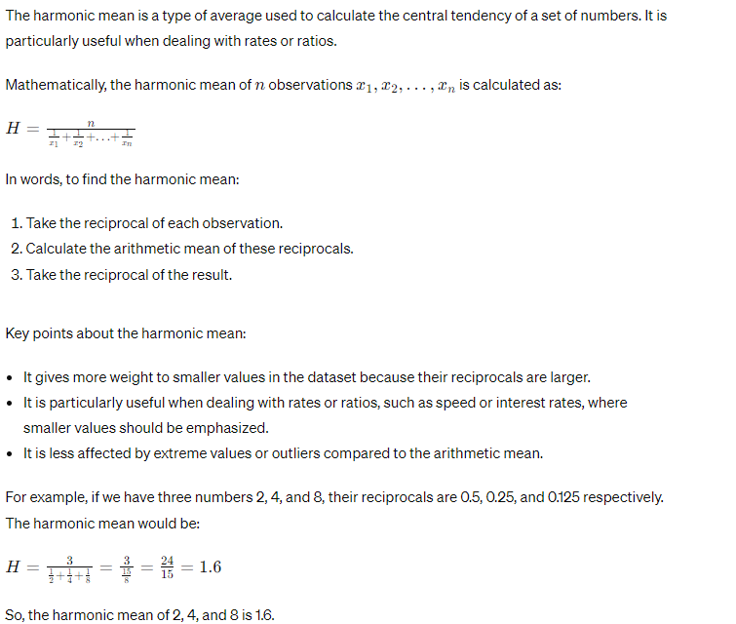

Winsorized
The Winsorized mean is a robust measure of central tendency that mitigates the influence of outliers in a dataset by replacing extreme values with less extreme ones. It achieves this by setting a predefined percentage of the smallest and largest values to a specified percentile value.
Here's how it's calculated:
- Sort the dataset in ascending order.
- Determine the Winsorization percentage 𝑝p (e.g., 5% or 10%).
- Compute the Winsorized value for the lower and upper tails of the dataset. This involves finding the (100−𝑝)(100−p)-th percentile and the 𝑝p-th percentile.
- Replace values below the (100−𝑝)(100−p)-th percentile with the value at that percentile.
- Replace values above the 𝑝p-th percentile with the value at that percentile.
- Calculate the mean of the Winsorized dataset.
The Winsorized mean retains the benefits of the arithmetic mean while being less sensitive to extreme values, making it a valuable measure in datasets prone to outliers. It provides a compromise between the robustness of methods like the median and the sensitivity of the arithmetic mean.

For example, if we have a dataset {3, 5, 6, 8, 9, 12, 14, 15, 18, 20} and choose a Winsorization percentage of 10%:
The 10% Winsorization would replace the smallest and largest values (3 and 20) with the 10th and 90th percentiles (5 and 18 respectively).
The dataset becomes {5, 5, 6, 8, 9, 12, 14, 15, 18, 18}.
The Winsorized mean is calculated as the arithmetic mean of this dataset.

Truncated
The truncated mean, also known as the trimmed mean, is a measure of central tendency that calculates the mean of a dataset after removing a specified proportion of the largest and smallest values. This technique aims to reduce the impact of outliers on the calculated mean while still utilizing the majority of the dataset.
Here's how it's calculated:
- Sort the dataset in ascending order.
- Determine the proportion (or percentage) of values to be removed from both ends of the dataset.
- Remove the specified number of values from the beginning and end of the sorted dataset.
- Calculate the mean of the remaining values.

For example, if we have a dataset {10, 15, 20, 25, 30, 35, 40, 45, 50, 55} and decide to remove 20% of the smallest and largest values:
- Removing 20% of the dataset (2 values from each end) gives us {20, 25, 30, 35, 40, 45}.
- The truncated mean is then the arithmetic mean of these remaining values:
(20+25+30+35+40+45)/6
=31.67(20+25+30+35+40+45)/6
=31.67.
So, the truncated mean of the dataset {10, 15, 20, 25, 30, 35, 40, 45, 50, 55} with 20% trimming from both ends is approximately 31.67.

Weighted
